TEDB Edition 40
Figure 4.7. Fuel Economy by Speed, 1973, 1984, 1997, and 2012 Studies
and Autonomie Model Results
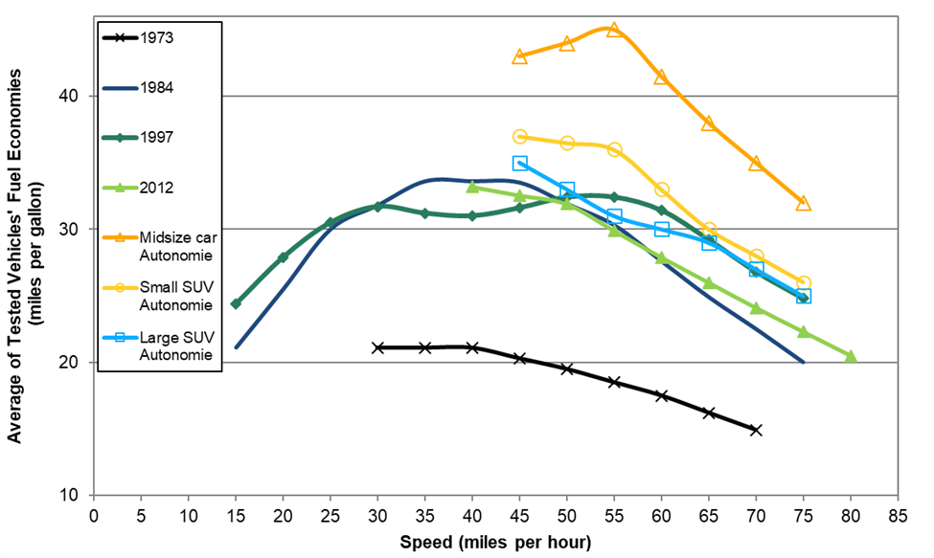

 |  |  |  |  | Autonomie Model Results
 |  |  |  |  | Gasoline Conventional
Speed | 1973a | 1984b | 1997c | 2012d | Midsize | Small | Large
(miles per hour) | (13 vehicles) | (15 vehicles) | (9 vehicles) | (74 vehicles) | car | SUV | SUV
15 | e | 21.1 | 24.4 | e | e | e | e
20 | e | 25.5 | 27.9 | e | e | e | e
25 | e | 30.0 | 30.5 | e | e | e | e
30 | 21.1 | 31.8 | 31.7 | e | e | e | e
35 | 21.1 | 33.6 | 31.2 | e | e | e | e
40 | 21.1 | 33.6 | 31.0 | 33.2 | e | e | e
45 | 20.3 | 33.5 | 31.6 | e | 43.0 | 37.0 | 35.0
50 | 19.5 | 31.9 | 32.4 | 31.9 | 44.0 | 36.5 | 33.0 | Interpolated
55 | 18.5 | 30.3 | 32.4 | e | 45.0 | 36.0 | 31.0
60 | 17.5 | 27.6 | 31.4 | 27.9 | 41.5 | 33.0 | 30.0 | Interpolated
65 | 16.2 | 24.9 | 29.2 | e | 38.0 | 30.0 | 29.0
70 | 14.9 | 22.5 | 26.8 | 24.1 | 35.0 | 28.0 | 27.0 | Interpolated
75 | e | 20.0 | 24.8 | e | 32.0 | 26.0 | 25.0
80 | e | e | e | 20.5 | e | e | e

Sources:
1973- U.S. Department of Transportation, Federal Highway Administration, Office of Highway Planning, The Effect of Speed on Automobile Gasoline Consumption Rates, Washington, DC, October 1973.
1984 - U.S. Department of Transportation, Federal Highway Administration, Fuel Consumption and Emission Values for Traffic Models, Washington, DC, May 1985.
1997 - West, B.H., R.N. McGill, J.W. Hodgson, S.S. Sluder, and D.E. Smith, Development and Verification of Light-Duty Modal Emissions and Fuel Consumption Values for Traffic Models, FHWA-RD-99-068, U.S. Department of Transportation, Federal Highway Administration, Washington, DC, March 1999.
2012 - U.S. Department of Energy and U.S. Environmental Protection Agency, Fuel Economy Guide website: www.fueleconomy.gov. The Green Car Congress, "ORNL researchers quantify the effect of increasing highway speed on fuel economy." February 8, 2013.
Argonne National Laboratory, Autonomie model, August 2016, www.autonomie.net. (Additional resources: www.anl.gov/energy/transportation)

a Model years 1970 and earlier cars.
b Model years 1981-84 cars and light trucks.
c Model years 1988-97 cars and light trucks.
d Model years 2003-2012 cars and light trucks.
e Data are not available.

